Sheet0
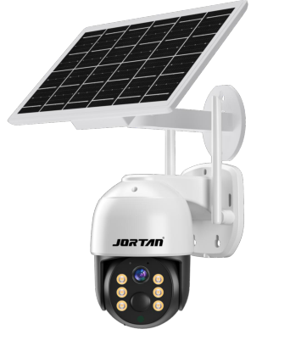
8181
Functional features:
4 million resolution, clear and delicate images;
Support PIR human body sensing and microwave dual detection;
Support APP project and remote wake-up of APP;
Solar powered endurance (with 4 built-in 18650 high-capacity batteries and a spare external expansion battery box)
Supports the 4G standard and frequency bands of the Americas, which can cover operators in both North and South America,
Users need to purchase their own data cards from the local operator.
Support 2D/3D noise reduction, digital wide dynamic range;
Advanced H.265X video compression technology, ultra-low bitrate, high-definition picture quality;
Lightning protection, in accordance with national standard GB/T17626.5 and international standard IEC61000-4-5;
Support mobile monitoring (iOS, Android);
Support multiple cloud technologies to achieve network penetration, front-end and back-end integration, and push alarm information to mobile phones;
Product parameters:
Product Code LPG-X3-4GQUS
System architecture dual core 32-bit DSP (XM650), pure hard compression, watchdog
Sensor 3 million 1/2.8 "SC3335 high-performance CMOS sensor
Minimum illumination "color: 0.01Lux @ (F1.2, AGC ON); 0 Lux with IR
Black and white: 0.001 Lux @ (F1.2, AGC ON), 0 Lux with IR“
Video processing H.265X encoding, dual stream, AVI format; The bitrate is adjustable from 0.1M to 8Mpbs; Frame rate adjustable from 1 to 30 frames per second
Image output main stream: 2288* 1288@12fps Substream: 800* 448@12fps
Shutter from 1/50 (1/60) second to 1/10000 second
Lens 3.6mm
Day night conversion mode supports IR-CUT and full-color mode
Noise reduction supports 2D/3D noise reduction
Wide dynamic support
Automatic aperture none
Audio processing G.711A encoding and decoding standard, supports two-way voice intercom function, supports audio and video synchronization
Audio interface 1-channel input, voltage level 2Vp-p, impedance 1k Ω,; 1 output, impedance 16 Ω, 30mw output power (supported by audio alarm interface)
No network interface available
No extension interface available
Signal interface: 1 photoresistor interface, 1 IR-CUT driver interface, supporting the linkage between photoresistor input signal and IR-CUT, infrared light
PTZ motor interface: 1 horizontal motor interface, 1 vertical motor interface
Alarm I/O None
Wireless interface expansion 4G card slot, supporting the American standard 4G format and frequency band
The reset button interface supports one click reset function
Storage method: Local TF card storage, maximum 128GB; cloud storage
Reliable and comprehensive lightning protection, in line with national and international standards; 7 * 24-hour 65 ℃ high temperature test, stable and reliable (including whole machine testing)
Intelligent analysis supports PIR human body sensing and microwave dual detection, and supports customization of other intelligent functions
Business functions support multiple cloud technologies, achieving network penetration, front-end and back-end integration, and pushing alarm information to mobile phones
ONVIF is not supported
Mobile monitoring support (iOS, Android) Mobile APP: Chinese version super watch English: ICSEE
Power supply DC5V ± 10%

