Sheet1
JT-9696PRO |  | 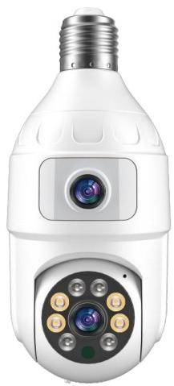
4MP Stitched Imaging** - Combines 2MP bullet camera + 2MP PTZ camera images through vertical stitching - Delivers ultra-clear, high-definition visuals
- Human detection - Smart power supply management - Customizable area guarding
Image Enhancement** - 2D/3D noise reduction - Digital Wide Dynamic Range (WDR)
Lightning Protection** - Compliant with: - GB/T17626.5 (China) - IEC61000-4-5 (International) ONVIF Compliance
Mobile Monitoring，OS/Android compatible ，AppICSEE (Global) Cloud Capabilities** - NAT traversal technology - Front/backend system integration - Real-time mobile alert push
Functional features:
 | IPG-X4-WER
System Architecture | Dual-core 32-bit DSP (XM650V200), pure hardware compression, dedicated design
Sensor | H65 High-performance CMOS Sensor
Minimum Illumination | Color: 0.01Lux @(F1.2, AGC ON), 0 Lux with IR; <br> B/W: 0.001 Lux @(F1.2, AGC ON), 0 Lux with IR
Video Processing | H.265A encoding, dual streams, AVI format; <br> Bitrate adjustable: 0.1M~10Mbps; <br> Frame rate adjustable: 1~30 fps
Video Outpu | Main Stream: 1920\*2160@12fps; <br> Sub Stream: 800\*896@12fps
Shutter Speed | 1/50(1/60) sec to 1/10000 sec
Lens | None
Day/Night Mode | Supports IR-CUT
Noise Reduction | Supports 2D/3D Noise Reduction
Wide Dynamic Range (WDR) | Supports WDR
Auto Iris | None
Audio Processing | G.711A codec standard, supports two-way audio intercom, supports audio-video sync
Audio Interface | 1 Input (Level: 2Vp-p, Impedance: 1kΩ); <br> 1 Output (Impedance: 16Ω, Output Power: 30mW)
Network Interface | 1x RJ45 Ethernet Port, 10/100M auto-negotiation
Expansion Interface | None
Signal Interface | 1x Photosensitive resistor interface; <br> 1x IR-CUT driver interface; <br> Supports linkage between photosensor input signal, IR-CUT, and IR lights
Gimbal Interface | 1 horizontal motor interface, 1 vertical motor interface
Alarm I/O | None
Network Interface | 1 WIFI antenna interface, supports wireless network connection
Reset Button Interface | Supports one-key reset function
Supports one-key reset function | Local TF card (max 128GB) / Cloud storage
Reliability | Surge protection on all ports (complies with national & international standards); Stable 7\*24h operation tested at 65°C high temperature (including load testing)
Smart Analysis | Supports human detection; Supports customization of other smart functions
Business Functions | Supports remote monitoring via mobile client; Supports push notifications upon human detection alarm; Supports MJPEG snapshot capture
ONVIF | Supported
Mobile Monitoring | Supports mobile monitoring (iOS, Android)
Power Supply | DC5V
Board Dimension | 53mm*46mm+30mm*50mm

